Mileage Log
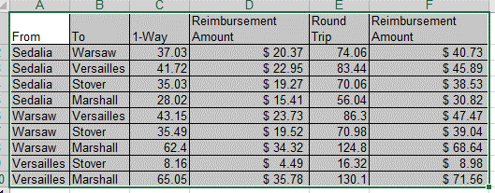
Katy Trail Community Health
Mileage Log

** Must be within 30 working days of submission for reimbursement.

Name:

Date | To | From | Miles | Purpose of Trip

 |  | Total Miles

Please attach to the Reimbursement Request Form

